Bundles and add-ons
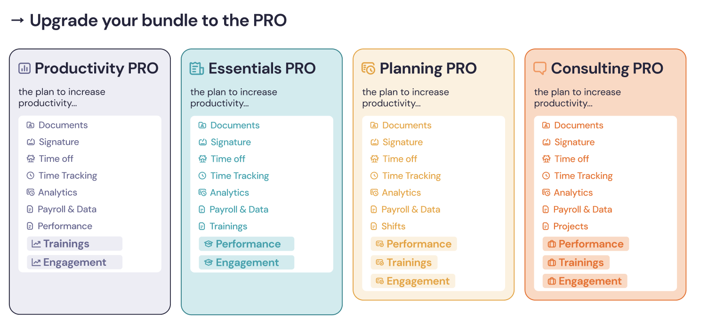
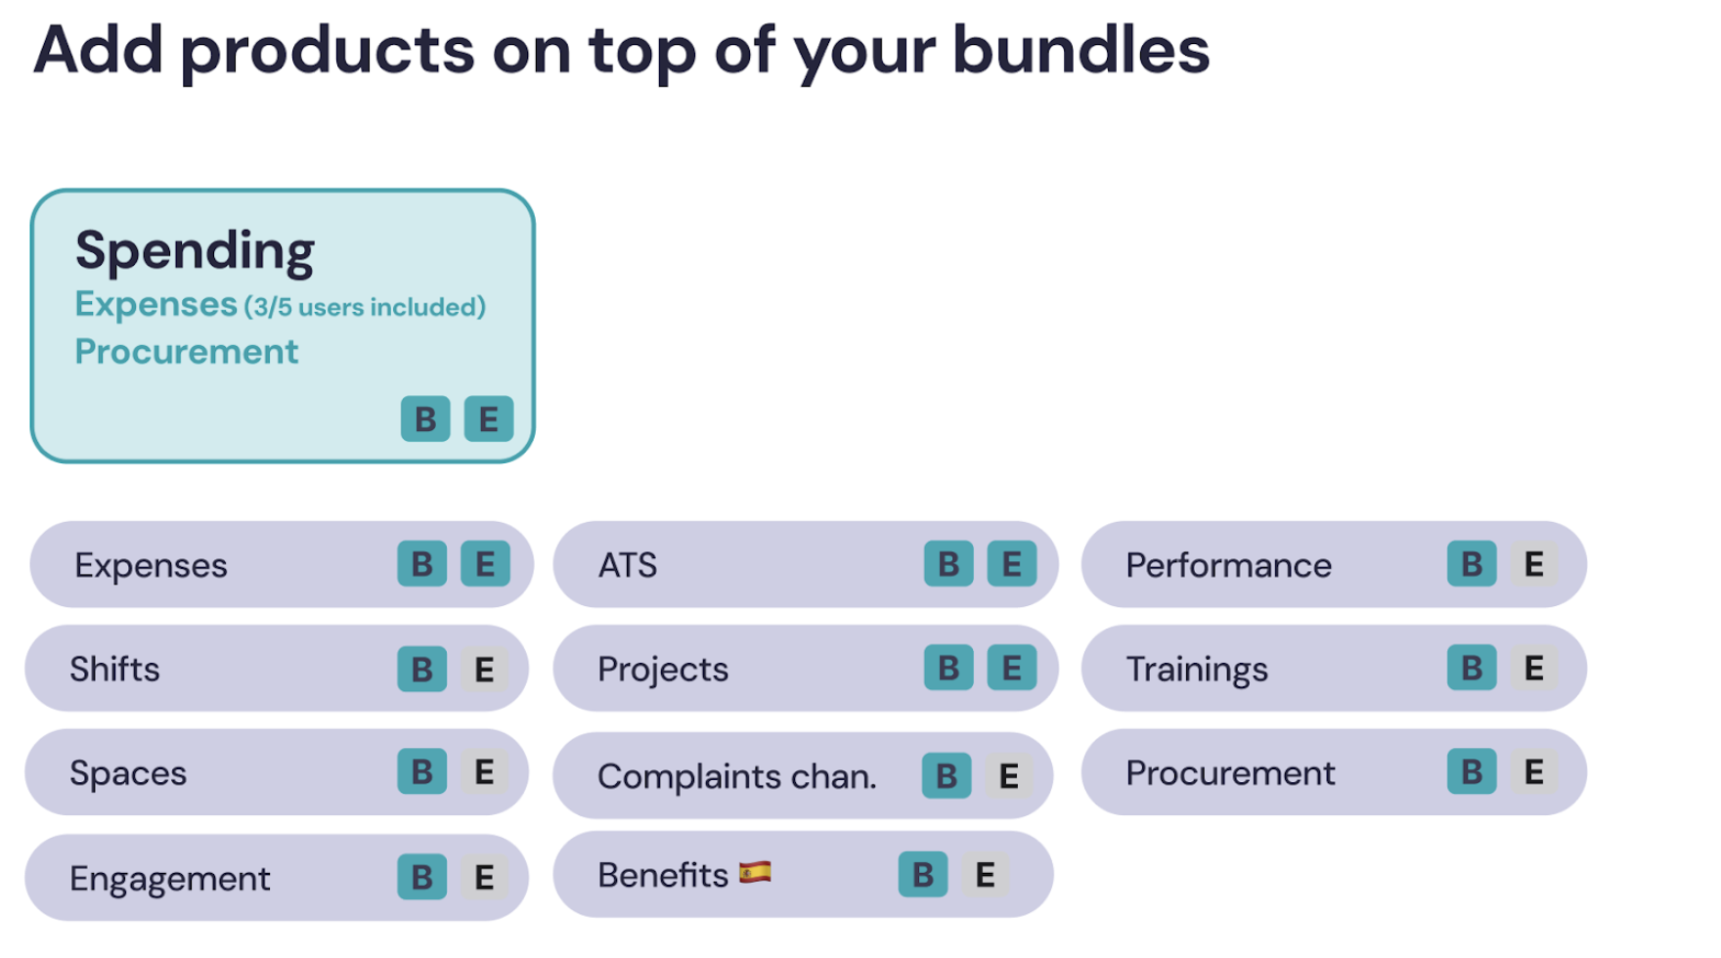
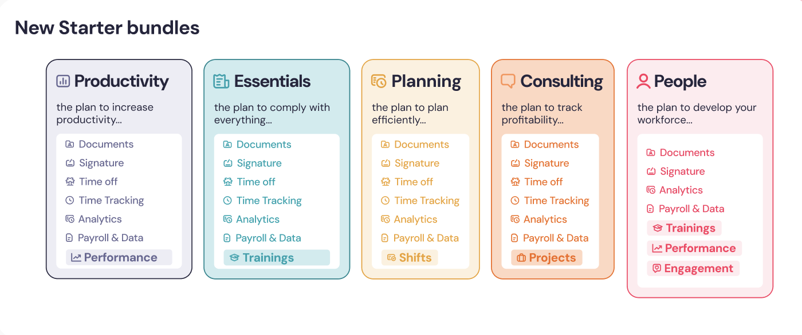
Pick a bundle (Starter or PRO) and any product (add-on) on top
 | Guidelines
 | A client can only have one base bundle (a Starter or a PRO)
 | You can add as many add-ons on top as the client needs.
 | Bundles have Business and Enterprise options.
 | Seat = All Employees of a company

 | Official Pricing & Packaging ℹ️
 | Legacy Features (CX) ℹ️

 | Source of truth: Slides, Pricing, Pitch Decks here⭐

